Payment Aggregator Partnership
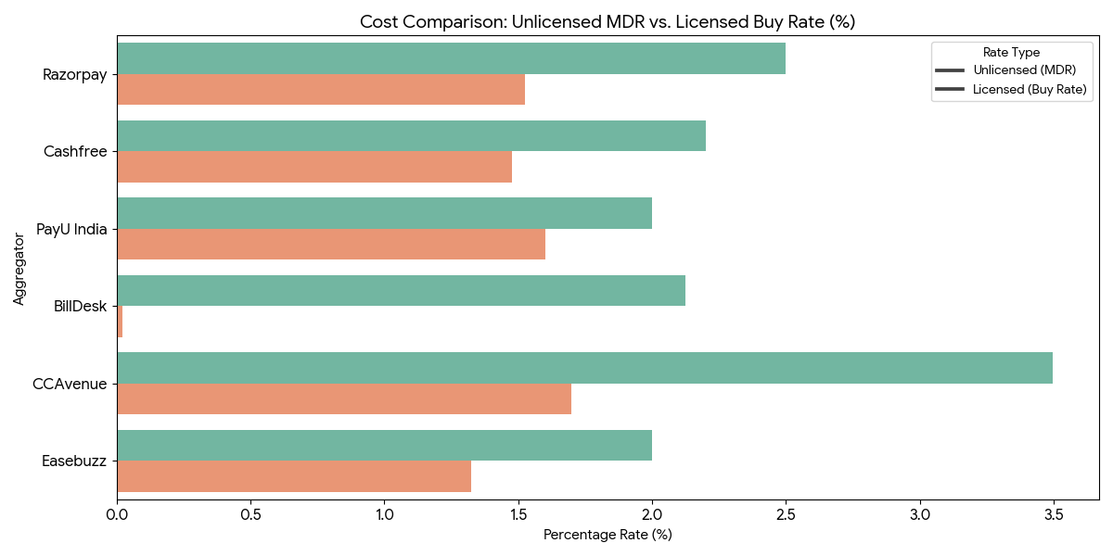
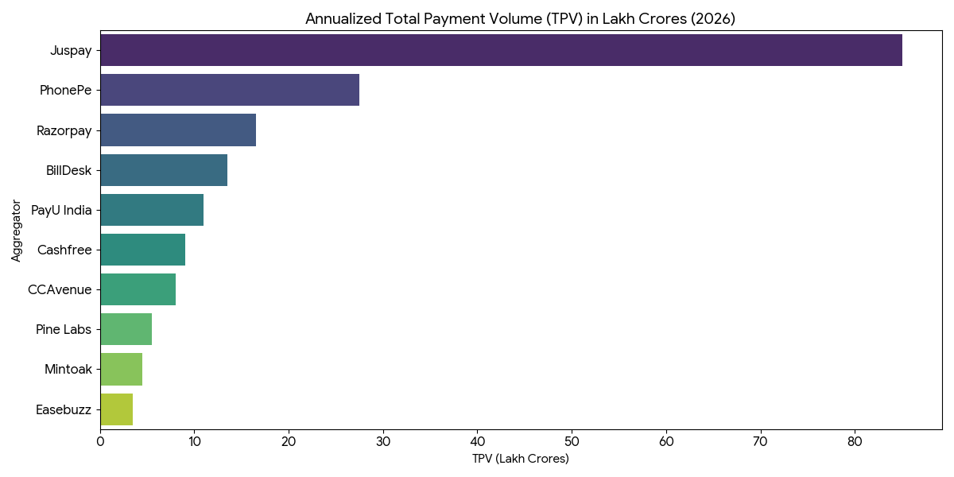
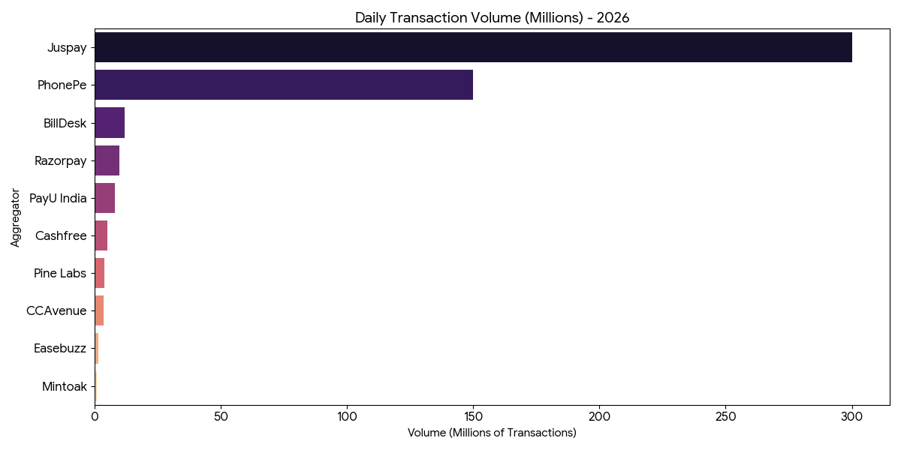
# | Aggregator | Payment Methods | Unlicensed (Standard MDR) | Licensed (Buy Rate/Interchange+) | Affiliate/Partnership Margin Potential | Partnership model | White-Labeling Level | Best For (Licensed vs Unlicensed | Benefits depending on type (Unlicensed or Licensed) of PA | Annualized TPV (Value) (FY 25-26) | Daily Transaction Volume (FY 25-26) | Primary Volume Driver | Key Clients | Technology Stack Highlights | Core/Edge technology
1 | Razorpay | 100+ | 2.0% - 3.0% | 1.45% - 1.60% | 0.40% - 1.40% | Referral: High commissions; Tech: Deep API focus. | Low (Partner-led) | Unlicensed PGs | Unlicensed: Best-in-class referral dashboard and commission tracking. They handle all compliance while you focus on sales. | ₹15 - 18 Lakh Cr | 10M+ | D2C, SaaS, & International (Curlec) | Meta, Zomato, Swiggy | AI-Optimizer, Node.js, AWS, React | Magic Checkout & Full Fintech Stack
2 | Cashfree | 120+ | 1.90% - 2.50% | 1.40% - 1.55% | 0.50% - 0.95% | Tech Partner: Best for PGs needing bulk disbursement. | High (Embedded) | Unlicensed PGs | Unlicensed: Their "Embedded Payments" APIs let you build a checkout that looks like yours, while they handle the RBI escrow. | ₹8 - 10 Lakh Cr | 5M+ | Marketplaces & Bulk Payouts | Nykaa, Delhivery, Cred | Flowwise Orchestration, Python | Flowwise Orchestration & Payouts
3 | PhonePe | 80+ | 0.0% (UPI) / 2.0% | Direct Bank Rails | High (on Credit-on-UPI) | Referral: Volume-based; heavy focus on MSMEs. | None (PhonePe Brand) | Unlicensed PGs | Unlicensed: High trust for MSMEs. You benefit from the massive consumer app install base for 1-click UPI payments. | ₹25 - 30 Lakh Cr | 150M+ (Combined) | Small Merchants & UPI Intent | Uber, Oyo, PharmEasy | Hyper-local UI, Java/Spring Boot | UPI Intent Speed & Consumer Trust
4 | PayU India | 100+ | 2.0% + GST | 1.50% - 1.70% | 0.30% - 0.80% | Tech Partner: Custom enterprise integrations. | Moderate (SDK-based) | Unlicensed PGs | Unlicensed: Best for offering Affordability Suite (EMI/BNPL) to your merchants without needing your own credit license. | ₹10 - 12 Lakh Cr | 8M+ | E-commerce & Enterprise | Netflix, BookMyShow | Credit-ledgering, Affordability API | Affordability (BNPL/EMI) & Credit
5 | Juspay | 50+ (Core) | Per Session Fee | Switching Fee (₹0.10) | Maximum (Infrastructure model) | Infrastructure: PG acts as a node in their router. | Extreme (Orchestration) | Licensed PAs | Licensed: They provide the "Plumbing." You plug your license into their router to own the routing logic and bank connections. | ₹85 Lakh Cr ($1T) | 300M+ | Switching/Orchestration for Banks | Amazon, Flipkart, Google | Hyperswitch (Rust), Functional Programming | Hyperswitch (Rust) & SDK-native
6 | Pine Labs | 100+ | Custom Tiered | 1.35% - 1.50% | 0.50% - 1.00% | White Label: Best for retail-focused PGs. | High (Omnichannel) | Licensed PAs | Licensed: Perfect for PGs wanting to sync online payments with physical store POS (Point of Sale) under one unified brand. | ₹5 - 6 Lakh Cr | 4M+ | Organized Retail (Offline-Online) | Apple, Starbucks, Reliance | Omnichannel SDK, C++ / Java | Omnichannel (Offline-Online sync)
7 | BillDesk | 150+ | 1.75% - 2.50% | Interchange + 0.02% | High Volume, Low Margin | Enterprise: High-volume legacy partnerships. | Low (Direct APIs) | Licensed PAs | Licensed: Access to massive enterprise-scale rails for government and utility payments with "Peering" fee rates. | ₹12 - 15 Lakh Cr | 12M+ | Utilities, Govt, & Bill Payments | LIC, SBI, IRCTC | Legacy High-Volume Rails, Java | BBPS & Govt. Utility Rails
8 | CCAvenue | 200+ (Max) | 2.0% - 4.99% | 1.60% - 1.80% | 0.40% - 3.19% | Reseller: Traditional markup-based model. | Moderate (Bank-led) | Licensed PAs | Licensed: Offers a "Banking Connect" feature. Licensed PAs can leverage their direct deep-links into 100+ public/private banks. | ₹8.67 Lakh Cr | 3.5M+ | Travel, Tourism, & Public Sector | MakeMyTrip, Air India | Multi-bank direct integrations | Multi-currency & Maximum reach
9 | Easebuzz | 100+ | 1.50% - 2.50% | 1.20% - 1.45% | 0.30% - 1.05% | Platform: Integrated billing for niche sectors. | High (API-driven) | Unlicensed PGs | Unlicensed: Ideal for niche verticals (Education/SaaS). Their APIs allow you to build custom billing workflows for specific sectors. | ₹1.5 - 2 Lakh Cr | 1.5M+ | Education & Vertical B2B SaaS | Byju's, Logistics firms | No-code SaaS widgets, PHP/Laravel | SaaS-linked vertical workflows
10 | Mintoak | 70+ | Bank Rates | SaaS Fee + MDR | Variable | B2B SaaS: PG powers the bank's merchant app. | Full (SaaS-led) | Licensed PGs | Licensed: They white-label their platform for banks. If you have a license, you can act as the "Technical Acquiring Partner" for their banks. | ₹0.8 - 1.2 Lakh Cr | 1M+ | Bank-led SME Merchant Ecosystem | HDFC Bank, Axis Bank | Bank-SaaS White label, Cloud-Native | White-label for Banks

